1. Title Page
Instacart Customer Analysis

Project Name: Instacart Customer Analysis
Date: 10/01/2024
Analyst Name: Gautam Radhakrishnan Ajit

Contents:
Population Flow
Consistency checks
Wrangling steps
Column derivations
Visualizations
Recommendations

Data Citation
“The Instacart Online Grocery Shopping Dataset 2017”, Accessed from www.instacart.com/datasets/grocery-shopping-2017 via Kaggle on 10/01/2024

2. Population Flow
Title page

Population flow

Exclusion flag
Condition: max_order < 5
Final total count of order_products_all: 32,404,859

Orders_products_combined
Orders_products_merged
Orders_products_all

Total: 32,404,859
Total: 32,434,489
Total: 32,404,859

1.) The grey boxes in the first row of the population flow represent the original data sets as they were when you downloaded them. In the Total fields you need to add the count of the rows when you imported the data set into Jupyter.
2.) The second row of boxes (coloured) represents the data sets after you manipulated them, e.g., removed missing values and duplicates. In the Total fields you need to add the count of the rows after conducting these operations. This offers a visual oveview of how the data flows throughout the data consistency checks.
3.) The third row, where also the arrows are coloured, represents the merges you performed between the datasets. In the Total fields you need to add the count of the rows in the merged datasets, so that you end up with the final dataset (in the red box). Keep in mind the final dataset should be without exclusions (based on the exclusion flag).

3. Consistency checks
 |  |  |  | Title page
Consistency checks

Dataset | Missing values | Missing values treatment | Duplicates
orders | 206,209 | Missing values were found in days prior previous order, because they were new customers | 0
products | 16 | Dropped the missing values | 5
orders_products_prior | 0 | Not Applicable | 0
customers | 0 | Not Applicable | 0

4. Wrangling steps
 |  |  |  | Title page
Wrangling steps

Columns dropped | Columns renamed | Columns' type changed | Comment/Reason
 | order_dow' to 'orders_day_of_the_week' |  | To make the column more intuitive and understandable for future analysts.
 |  | order_id' changed from integer to string | To use the 'order id' column for aggregations.
_merge |  |  | after merging dataframes, this default column was dropped as it is not needed further
 | First Name' to first_name |  | To make the column more intuitive and understandable for future analysts.
 | Surnam' to 'last_name' |  | To make the column more intuitive and understandable for future analysts.
 | n_dependants to number_of_dependants |  | To make the column more intuitive and understandable for future analysts.
first_name |  |  | To secure PII data
last_name |  |  | To secure PII data
 |  | add_to_cart_order' changed from int64 to int8 | To avoid Memory/RAM issues
 |  | reordered' changed from int64 to int8 | To avoid Memory/RAM issues
 |  | orders_day_of_week' changed from int64 to int8 | To avoid Memory/RAM issues
 |  | order_hour_of_day' changed from int64 to int8 | To avoid Memory/RAM issues
 |  | days_since_prior_order' changed from int64 to int8 | To avoid Memory/RAM issues

5. Column derivations
 |  |  |  | Title page

Column derivations and aggregations

Dataset | New column | Column/s it was derived from | Conditions
orders_product_customer_merged | price_range | prices | value <= 5 : Low range; > 5 and <= 15 : Mid range; Else High range
orders_product_customer_merged | busiest_days | orders_day_of_week | value is 0 or 1: Busiest Days ; 3 or 4: Slowest Days; else Regularly Busy
orders_product_customer_merged | busiest_period_of_day | order_hour_of_day | hours with no. of orders > 2000K : 'Most orders' ; > 500K and <= 2000K : 'Average orders'; Else 'Fewest orders'
orders_product_customer_merged | max_order | order_number | Maximum no. of orders by a customer
orders_product_customer_merged | loyalty_flag | max_order | No. of orders > 40 : Loyal customer; >=10 and < 40 : Regular customer; <= 10 : New customer
orders_product_customer_merged | mean_prices | prices | mean price/amount spent by a customer
orders_product_customer_merged | spending_flag | mean_prices | If mean cost < 10 : Low spender; >10 : High spender
orders_product_customer_merged | frequency_flag | days_since_prior_order | days > 20 : Non-frequent; days > 10 and days <= 20 : Regular; otherwise, 'Frequent'
orders_product_customer_merged | Region | STATE | if state in ['Maine', 'New Hampshire', 'Vermont', 'Massachusetts', 'Rhode Island', 'Connecticut', 'New York', 'Pennsylvania', 'New Jersey'] : Northeast; state in ['Wisconsin', 'Michigan', 'Illinois', 'Indiana', 'Ohio','North Dakota', 'South Dakota', 'Nebraska', 'Kansas', 'Minnesota', 'Iowa', 'Missouri']: Midwest; ['Delaware', 'Maryland', 'District of Columbia', 'Virginia','West Virginia', 'North Carolina', 'South Carolina', 'Georgia','Florida', 'Kentucky', 'Tennessee', 'Mississippi', 'Alabama','Oklahoma', 'Texas', 'Arkansas', 'Louisiana']: South; ['Idaho', 'Montana', 'Wyoming', 'Nevada', 'Utah', 'Colorado','Arizona', 'New Mexico', 'Alaska', 'Washington', 'Oregon','California', 'Hawaii']: West
orders_product_customer_merged | activity_flag | order_number | if order no. < 5: Low-activity; else, High-activity
orders_product_customer_merged | Age Category | Age | if age >= 18 and <= 35: Youngsters; >= 36 and <= 65: Middle-aged; >=66 : Senior Citizens
orders_product_customer_merged | income_flag | income | if income >= 2.59e+04 and <= 6.75e+04 : Lower Class; > 6.75e+04 and <= 1.28e+05 : Middle Class; else, Upper Class
orders_product_customer_merged | dependent_flag | number_of_dependents | If value = 0: No dependents; else, 'Has dependents'

6. Visualizations
 |  |  |  |  |  | Title page

Visualisations

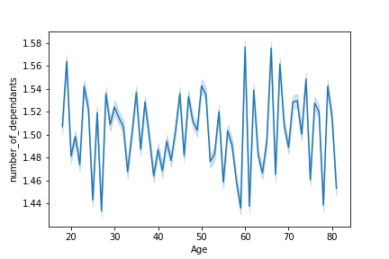

Q. Determine whether there’s a connection between age and family situation by creating a line chart exploring the connections between age and number of dependents
This line graph was plotted to identify any correlation between age of the customer and the number of dependents he has. There is no regular pattern that can be established here.

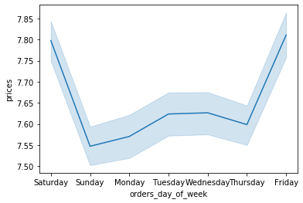

Q. Check whether there’s a difference in expenditure (the “prices” column) depending on the hour of the day.
This line graph captures the relationship between the prices/ sales made across the days of the week. Note that 0 stands for Saturday, 1 for Sunday and so on (6 for Friday).
Sales are high on Weekends, and starts to dip from Mondays.

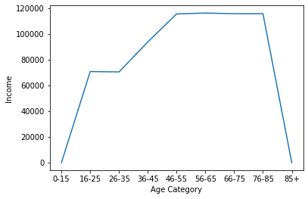

Q. You’ll also need to explore whether there’s a connection between age and spending power (income).
Low income class (less than 200K income) is common among all age groups. People who are aged below 40 seem to have less earning power, with a mazximum of about 400K.
There is more variation among older people (above 40), although most people still earn close to 300K, with some earning as high as 600K income.

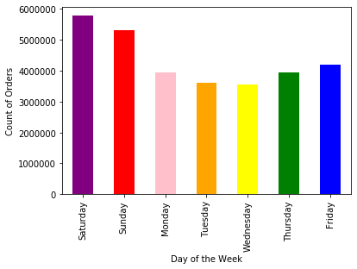

The number of orders received during the weekend is considerably more than those received during the rest of the week.

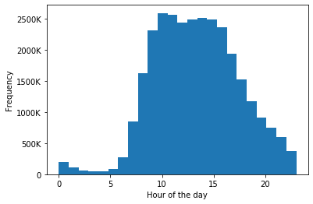

Q. You need to provide the Instacart senior stakeholders with descriptive findings about sales. Create a histogram of the “order_hour_of_day” column.
Since there are 24 hours in a day, the number of bins has been defined as 24. We can see the number of orders received during very early and during late hours is less than the peak, which is between the hours 10 AM and 4 PM

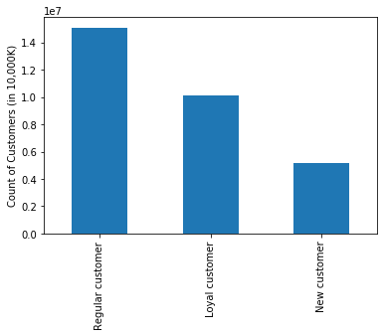

Q. The marketing team is curious about the distribution of orders among customers in terms of loyalty. Create a bar chart from the “loyalty_flag” column
By creating the loyalty flag, we see that most customers are regular and few are new to Instacart.

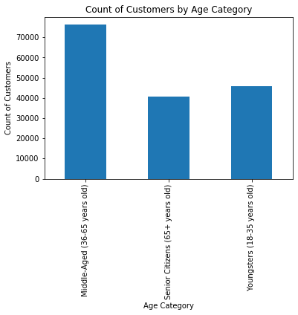

We need to distinguish customers based on their age to further study the spending habits/ consumer behavior. Most of the existing customers are middle-aged.

 | Category | Age (in years)
 | Youngsters | 18-35
 | Middle-Aged | 36-65
 | enior Citizens | 65+

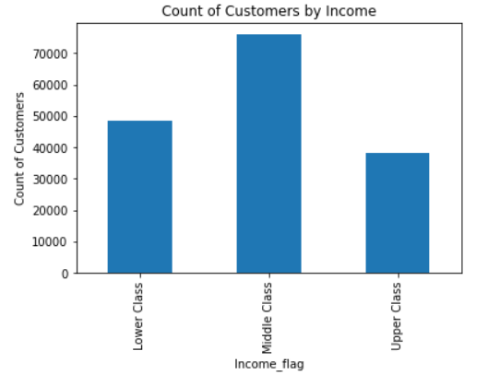

Middle Class income levels are the most popular, and Upper Income Class are few, but still significant

 |  | Category | Income Level (in USD)
 |  | Lower Class | > 25.9K & <= 67.5K
 |  | Middle Class | > 67.5K & <= 128.1K
 |  | Upper Class | > 128.1K

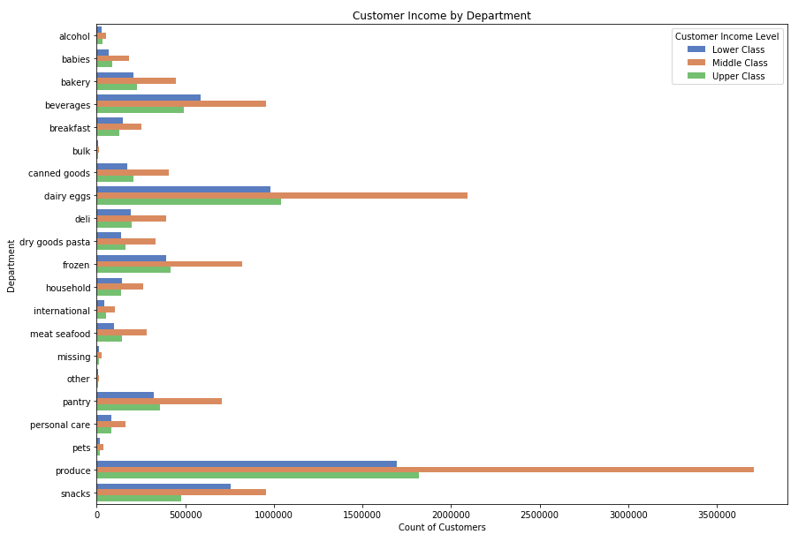

 |  |  |  | Q. How customer spending habits vary based on their income level.
 |  |  |  | Spending habits across all income levels, we find that everyday groceries such as eggs & produce are more frequently bought.

 |  |  |  | Category | Income Level (in USD)
 |  |  |  | Lower Class | > 25.9K & <= 67.5K
 |  |  |  | Middle Class | > 67.5K & <= 128.1K
 |  |  |  | Upper Class | > 128.1K

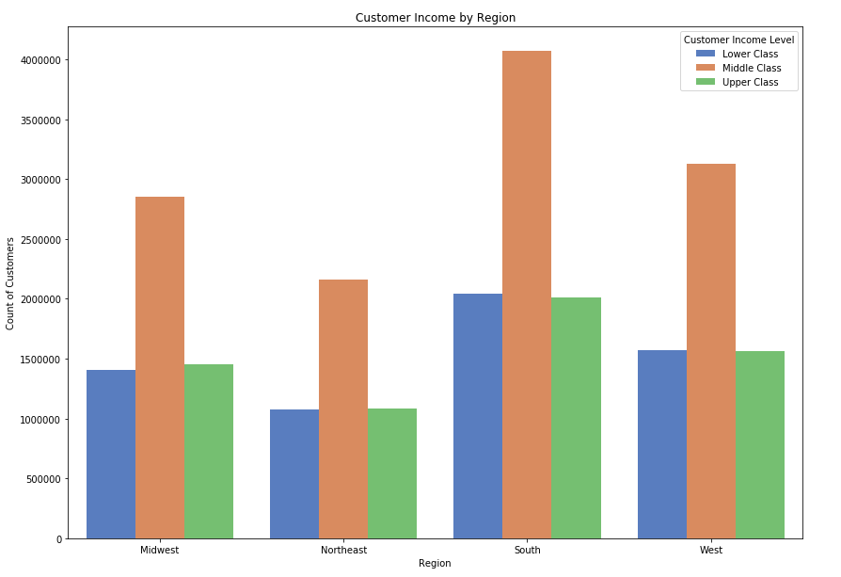

 |  |  |  | Q. Determine whether there’s a difference in spending habits between the different U.S. regions.
 |  |  |  | The South region is home to the largest share of customers. The general trend of having more middle income class customers is common across all 4 regions.

 |  |  |  | Category | Income Level (in USD)
 |  |  |  | Lower Class | > 25.9K & <= 67.5K
 |  |  |  | Middle Class | > 67.5K & <= 128.1K
 |  |  |  | Upper Class | > 128.1K

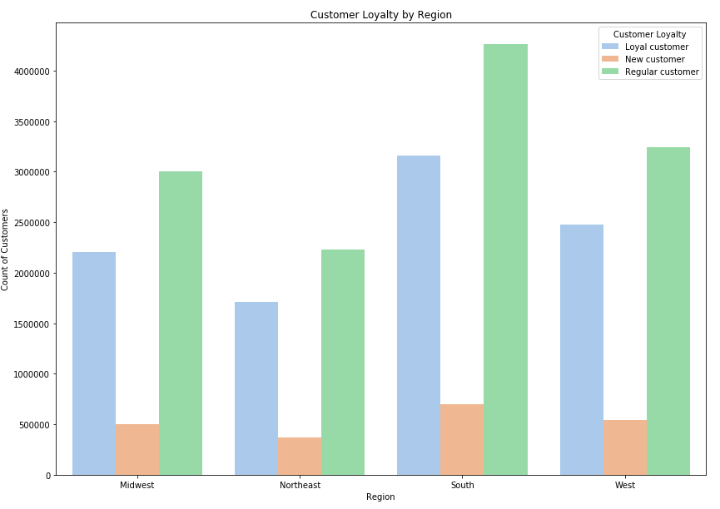

 |  |  |  | Q. Determine whether there’s a difference in spending habits between the different U.S. regions.
 |  |  |  | Customers, based on their loyalty, are mostly neither too loyal nor rare shoppers. Number of new customers are less in share

 |  |  |  | Category | Number of Orders placed
 |  |  |  | Loyal | <= 10
 |  |  |  | Regular | > 10 & <= 40
 |  |  |  | New | > 40

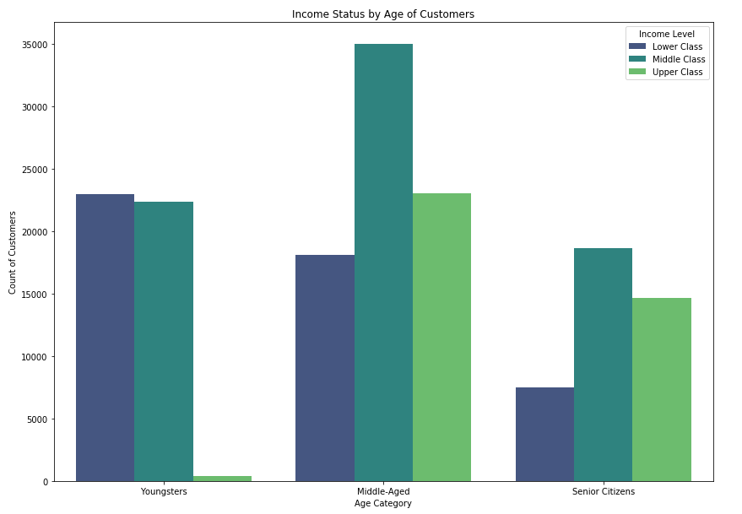

 |  |  |  |  | Q. Customer profile (Age v. Income Level)
 |  |  |  |  | Among younsters, there are less individuals who earn a very high income. Most of them are from a low income class, while among middle aged and upper class customers, middle income class is more than upper income class customers.

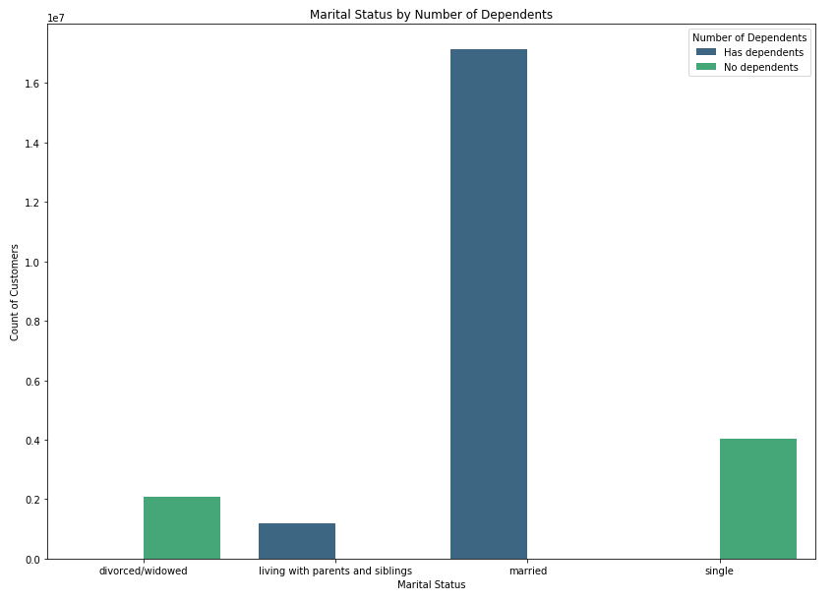

 |  |  |  |  | Q. Customer profile (Marital Status v. Number of Dependents)
 |  |  |  |  | As expected, married customers have dependents, but surprisingly divorced/widowed individuals have no dependents. Customers who are 'single', also have no dependents, while the population of young adults in the dataframe have dependents.

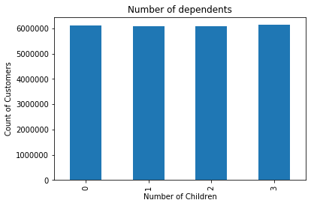

 |  |  |  |  | Q. Distribution of the number of dependents
 |  |  |  |  | There's no measurable difference between the number of dependents among Instacart customers!

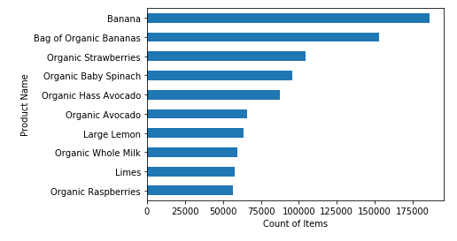

 |  |  |  |  | Q. Most popular items that are shopped
 |  |  |  |  | Bananas, strawberries, spinach, avocados, milk ... (Groceries) seem to be the most selling items which comes across as no surpirse!

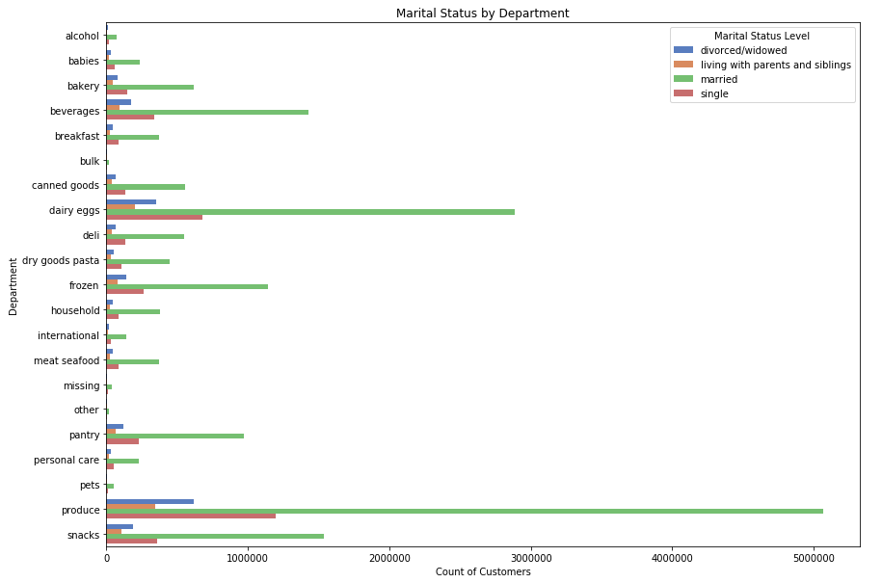

 |  |  |  |  | Q. Popularity of Departments based on their marital status
 |  |  |  |  | Married customers are shopping more than any other segment! The pattern of shopping more frequently for eggs and produce repeats here too!

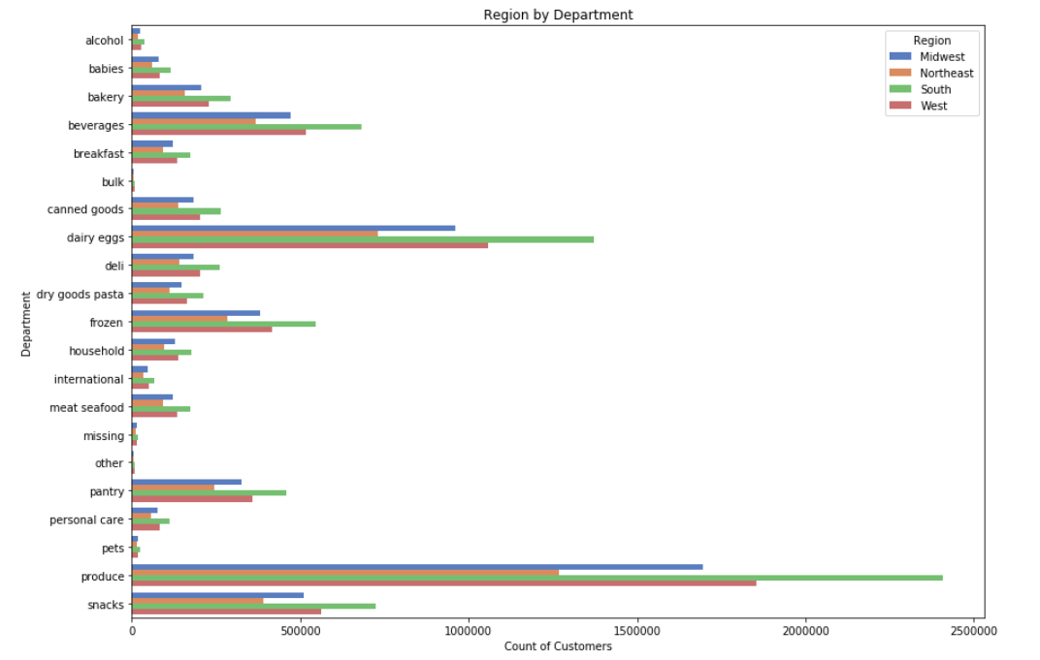

 |  |  |  |  | Q. Popularity of Products by Region
 |  |  |  |  | The South shops more frequently than the other other regions, followed by the West and shopping in the Northeast is not very popular.

7. Recommendations
 |  | Title page

Recommendations

Question | Answer
What are the busiest days of the week and hours of the day are (i.e., the days and times with the most orders) in order to schedule ads at times when there are fewer orders? | The orders are more frequently made dusring the weekends with less orders coming in during the weekends. Also, shoppers are more likely to place orders, particularly between the hours of 10 AM and 4 PM

Do prices fluctuate during different days of the week? | Prices seem to consistently higher during the weekends, and remain low during the weekdays, similar in trend as the busiest days of the week.
 | It would be interesting to see Instacart adopting a smilart stratetgy as Amazon's Prime Day (at a smaller scale) and see how this would help boost sales during the weekdays.

What is the most popular category of products customers shop for? | Everyday items such as eggs, produce and groceries are the most sought after products across every type of house-hold (income-wise).
 | Suprisingly, Instacart's bakery & alcohol departments are not doing well. Perhaps a change in the bakery menu might help, while they could either do away the liquor department completely or change their strategy based on how their competitors are doing

Is there a difference in the spending habits of customers belonging to different regions? | The largest customer base is in the South, followed closely by the West. NorthMiddle Class shoppers edge over the other classes across all regions.
 | Northeast is lagging behind in terms of numbers. If Instacart could incentivize and spend marketing budget to strengthen their presence in the rgion, sales could boost.

What are the income levels based on the age of the customers? | Middle-aged middle income class customers shoppers are the most common. Earning potential among younsgters is limited, with most of them falling under the low income or middle class income levels. Senior customers show a similar patternas those of middle aged customers, but are relatively less in number.
 | To attract and encourage younsgters to shop more often, Instacart could think about offering discount coupons or health competitions (like the Monopoly by McDonald's)

Do customers who shop from Instacart tend to be loyal? | There is no significant finding that suggests customers tend to be more loyal. They seem to be random, meaning neither too loyal nor too rare.
 | Another finding is that very few customers are new. Instacart could consult advertising companies to attract more customers.

Based on marital status, which category accounts for majority of the shoppers? | Married customers are the majority, followed by customers who are single. The former also has dependents and larger the household, more they shop.

How is the popularity of products affected by regions? | Regions do not seem to have an impact on shopping habits. We can see similar shopping trends across each region, with groceries being the most sought after products, and alcohol and bakery items being far less popular.

